4N
Item No. | Picture |  | Product name | Description & Features | Unit | Qty | جملة | مفرق | BAR CODE
TIDLI20668 | 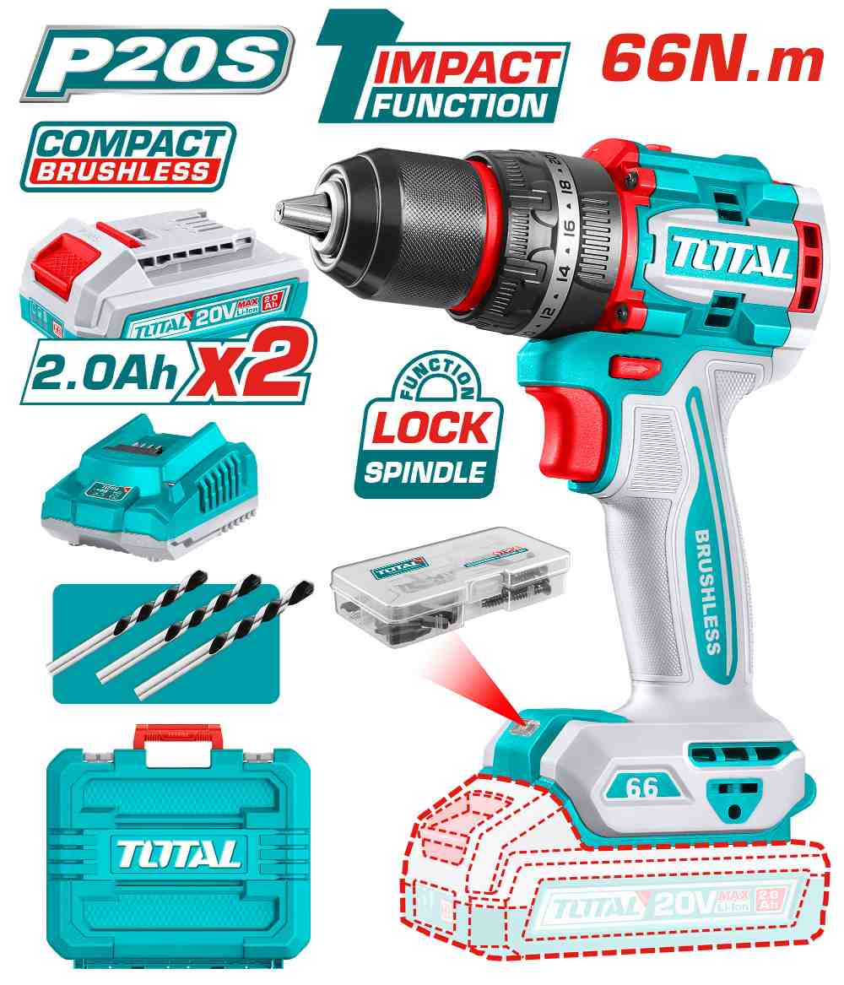 | #N/A | Compact Brushless Cordless Impact Drill | Brushless motor Voltage: 20V No-load speed: 0-500/0-2000rpm Max impact rate: 30000bpm Max torque: 66Nm Metal chuck Chuck capacity: 13mm Torque settings: 22+1+1 Mechanical 2-speed gear Spindle lock function Integrated LED work light LED battery power indicator Include: 2 Pcs 2.0Ah battery pack(TFBLI20011) 1 Pcs charger(TFCLI2001) Charge volts: 220-240V~50/60Hz 47 Pcs accessories 3 Pcs masonry drill bits Packed by carrying case | PCS | 110 | #N/A | #N/A | 6923736766269
TIWLI20105 | 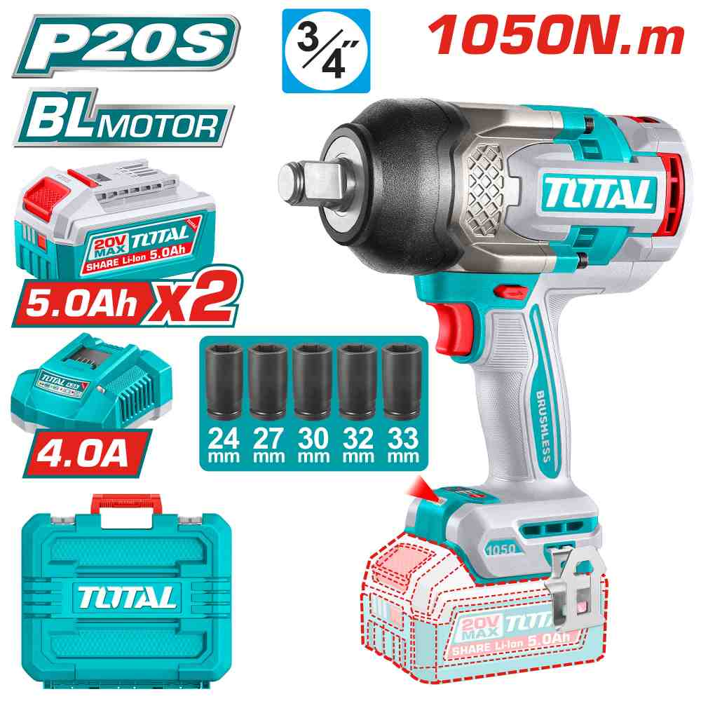 | Total TIWLI20105 درل بوكس شحن 20 فولت 1050 نيوتن مع 2 بطارية 5 أمبير | Cordless impact wrench | Brushless motor Voltage:20V Square drive:3/4" No-load speed: 0-1200/0-1600/0-2100rpm Impact rate: 0-1800/0-2000/0-2200bpm Fastening torque: 1050Nm Nut-Busting torque: 1200Nm Integrated LED work light Include: 5 Pcs deep sockets(24,27,30,32,33mm) 1 Pcs belt clip 2 Pcs 5.0Ah battery pack(TFBLI20531) 1 Pcs charger(TFCLI20411) Charge volts:220-240V~50/60Hz Packed by carrying case | PCS | 40 | 120.00 | 170.000 | 6932584807246
TRHLI202482 | 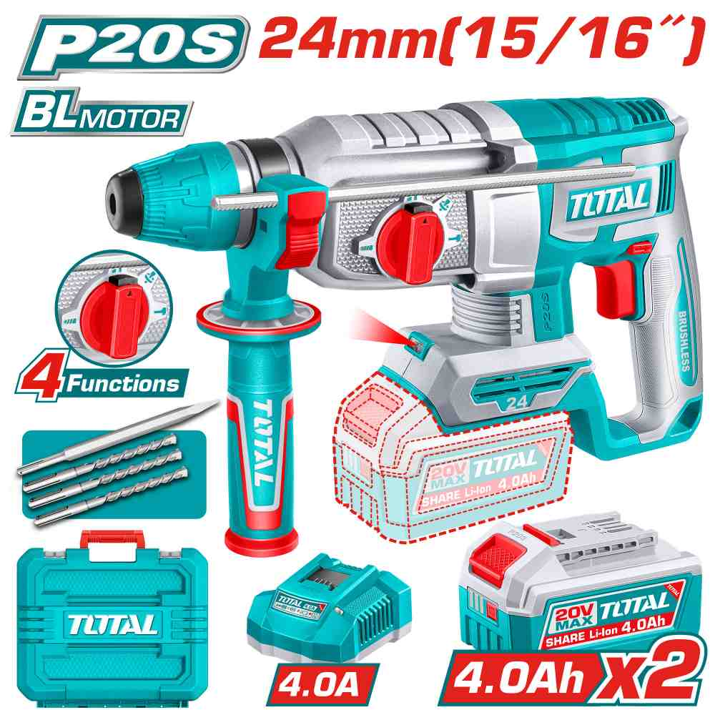 | Total TRHLI202482 همر شحن 20 فولت 24 ملم مع 2 بطارية 4 أمبير وشاحن | Cordless rotary hammer | Brushless motor Voltage:20V No-load speed:0-1100rpm Impact rate:0-4900bpm Impact energy:2.4J Max.drilling capacity: Concrete: 24mm Steel: 13mm Wood: 30mm SDS plus chuck system Integrated LED work light Include: 3 Pcs drills(6,8,10mm) 1 Pcs chisel 2 Pcs 4.0Ah battery pack(TFBLI20021) 1 Pcs charger(TFCLI20411) Charge volts:220-240V~50/60Hz Packed by carrying case | PCS | 96 | 75.00 | 100.000 | 6923736768041
TRHLI262085 | 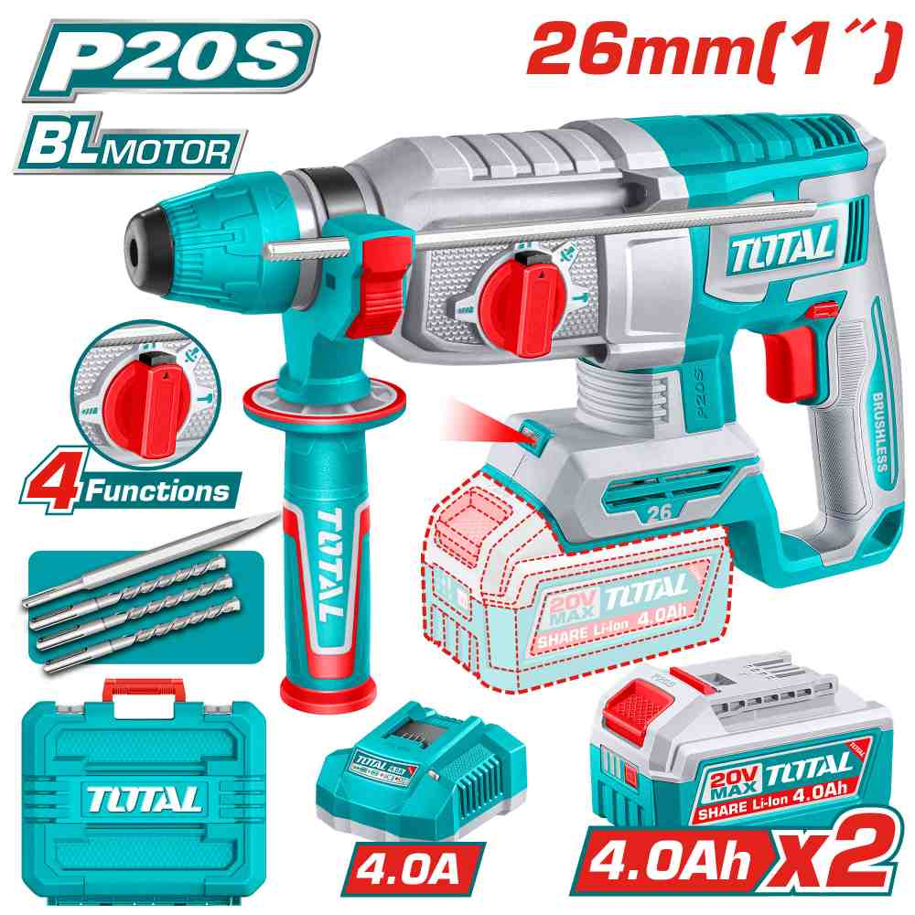 | Total TRHLI262085 همر شحن 20 فولت 26 ملم مع 2 بطارية 4 أمبير وشاحن | Cordless rotary hammer | Brushless motor Voltage:20V No-load speed:0-1100rpm Impact rate:0-5000bpm Impact energy:2.5J Max.drilling capacity: Concrete: 26mm Steel: 13mm Wood: 30mm SDS plus chuck system Integrated LED work light Include: 3 Pcs drills(6,8,10mm) 1 Pcs chisel 2 Pcs 4.0Ah battery pack(TFBLI20021) 1 Pcs charger(TFCLI20411) Charge volts:220-240V~50/60Hz Packed by carrying case | PCS | 40 | 80.00 | 110.000 | 6937541237289
TSGLI2004 | 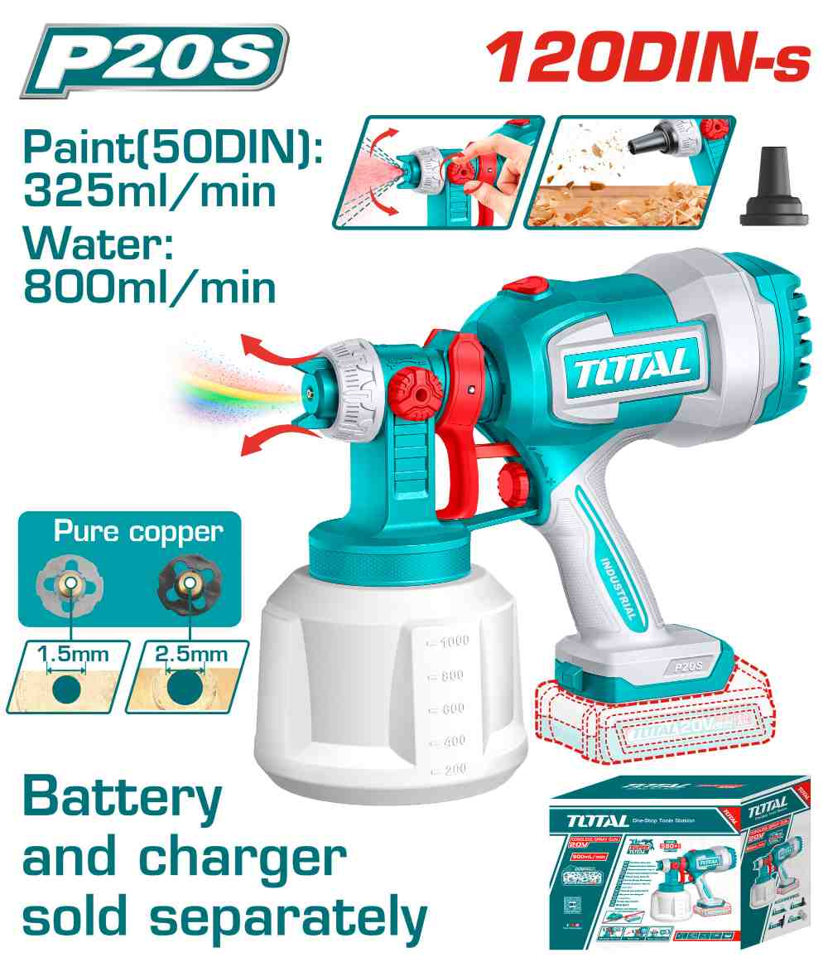 | فرد رش دهان شحن20 فولت بدون بطاريات Total TSGLI2004 | Cordless spray gun | Voltage: 20V Spraying pressure: 0.1-0.2Bar Max.flow: 800ml/min Max.viscosity: 120DIN-s Container capacity: 1000ml Adjustable spray amplitude Include: 1 Pcs dust blower nozzle 1 Pcs viscosity measuring cup 1 Pcs nozzle cleaning needle 2 Pcs copper nozzle(1.5/2.5mm) Battery and charger sold separately Packed by color box | PCS | 48 | 21.00 | 30.000 | 6932584808854
TSPLI20162 | 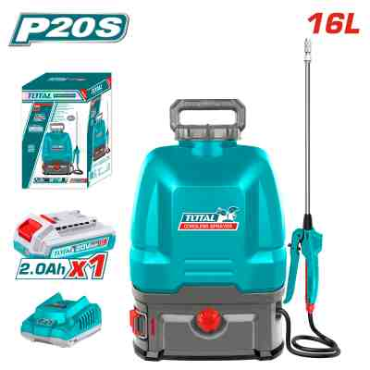 | #REF! | Cordless sprayer | 16L Battery Sprayer Voltage:20V Pressure: 5BAR Two-speed control Include: 1 Pcs 2.0Ah battery pack(TFBLI20011) 1 Pcs fast charger(TFCLI2001) Material: PE for tank, Other plastic are in PP, all the sealings/NBR, T trigger with stainless steel lance Flow: 1.7L/min Spray Distance: ＞5m net weight: 3.9kg packed by color box | PCS | 20 | #REF! | #REF! | 6923736765019
TDLI12206 | 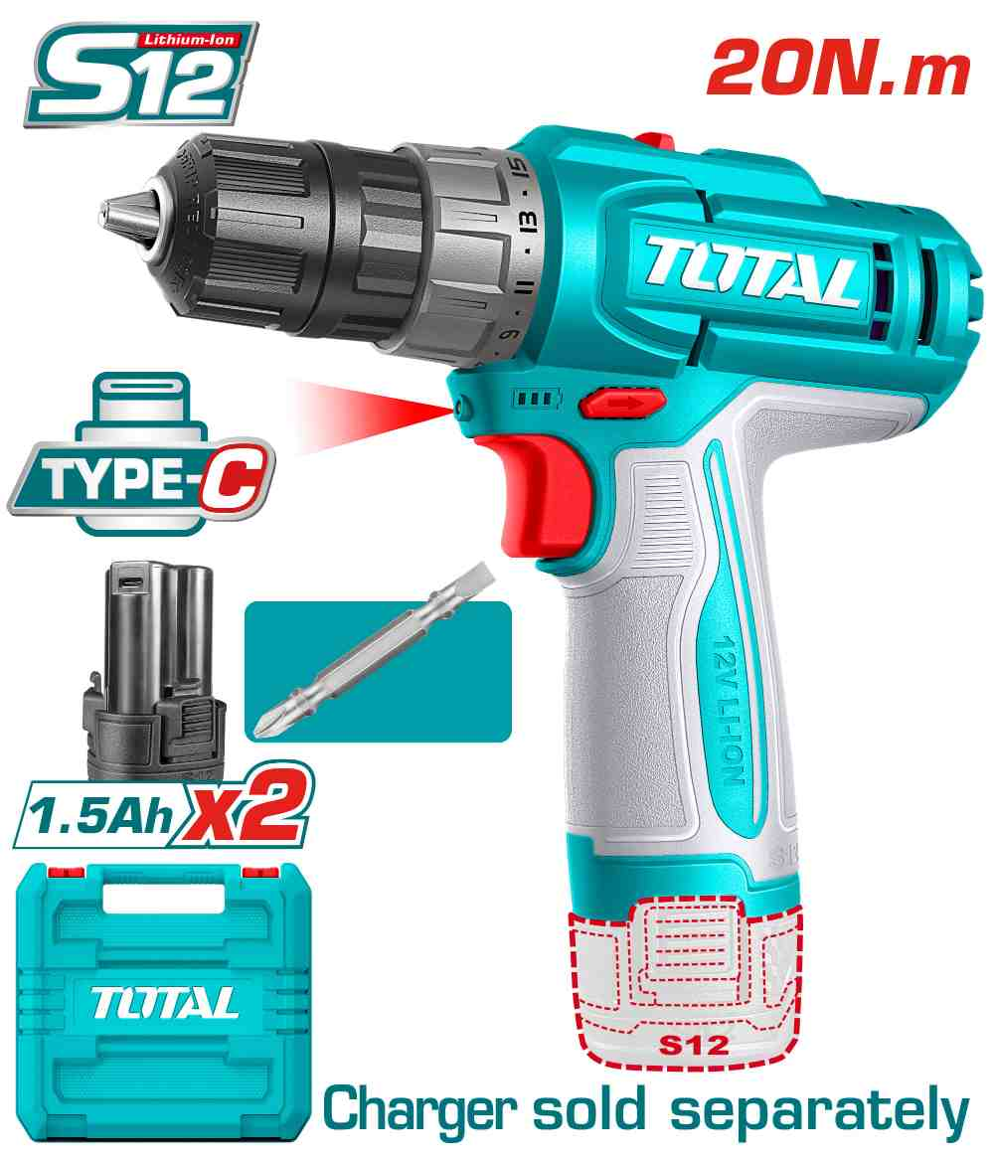 | #REF! | Cordless drill | Voltage: 12V No-load speed: 0-400/0-1500rpm Max torque: 20Nm Plastic chuck Chuck capacity: 0.8-10mm Torque settings: 15+1 Mechanical 2-speed gear Integrated LED work light Include: 1 Pcs Cr-V 65mm bit 2 Pcs 1.5Ah battery pack(TBLI12153) Battery charging port: USB type-C Charger sold separately Packed by carrying case | PCS | 100 | #REF! | #REF! | 6932584805327
TG1071366 | 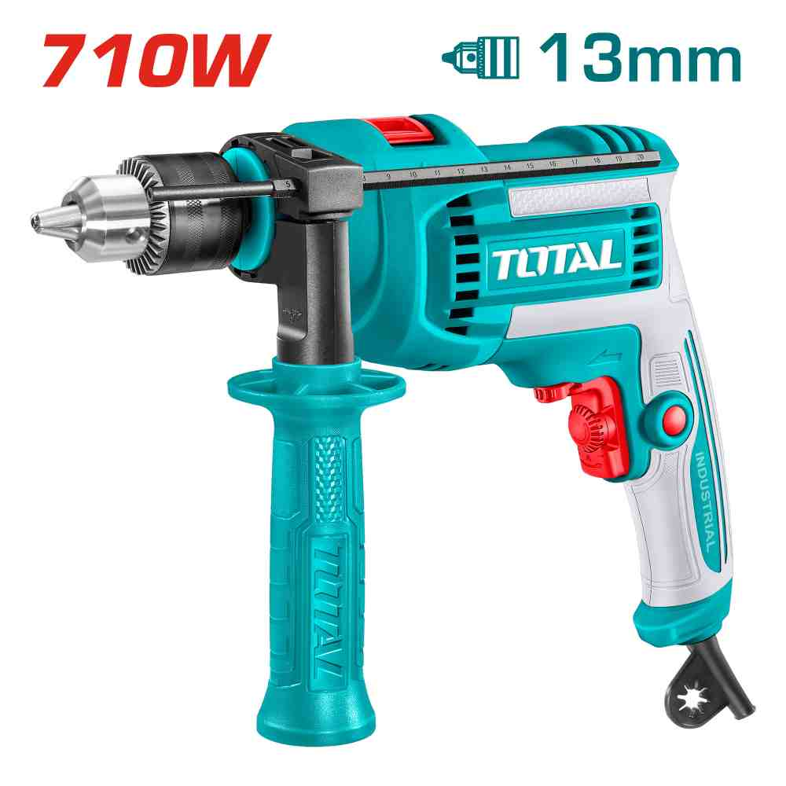 | #REF! | Impact drill | Voltage: 220-240V~50/60Hz Input power: 710W No-load speed: 0-3000rpm Max.drilling capacity: 13mm Variable speed control Forward/Reverse switch Hammer function Packed by color box | PCS | 100 | #REF! | #REF! | 6923736767648
TG10912556 | 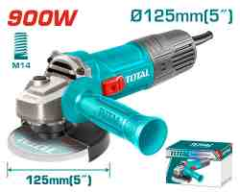 | #REF! | Angle grinder | Voltage:220-240V~50/60Hz Input power:900W No-load speed:12000rpm Disc diameter:125mm Spindle thread:M14 With 1pcs auxiliary handle Disc not included Packed by color box | PCS | 156 | #REF! | #REF! | 6941639818427
TG12223026 | 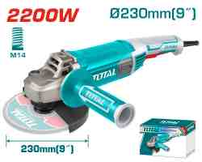 | #REF! | Angle grinder | Voltage:220-240V~50/60Hz Input power:2200W No-load speed:6600rpm Disc diameter:230mm Spindle thread:M14 With 1pcs auxiliary handle With 1set extra carbon brushes Disc not included Packed by color box | PCS | 70 | #REF! | #REF! | 6925582197556
TH306236 | 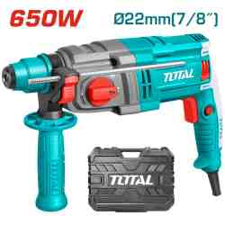 | #REF! | Rotary hammer | Voltage:220-240V~50/60Hz Input power:650W No-load speed:0-1700rpm Impact rate:0-5500bpm Impact energy:1.7J Max.drilling capacity: Concrete:22mm Steel:13mm Wood:25mm SDS plus chuck system With 3 SDS-PLUS drills With 1set extra carbon brushes Packed by BMC | PCS | 100 | #REF! | #REF! | 6941639849728
TH309288 | 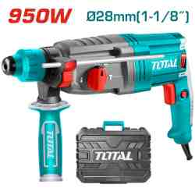 | #REF! | Rotary hammer | Voltage:220-240V~50/60Hz Input power:950W No-load speed:0-1050rpm Impact rate:0-4670bpm Impact energy:2.5J Max.drilling capacity: Concrete:28mm Steel:13mm Wood:30mm SDS plus chuck system With 3 drills and 2 chisels With 1set extra carbon brushes Packed by BMC | PCS | 52 | 44.50 | #REF! | 6925582158601
TH1153216 | 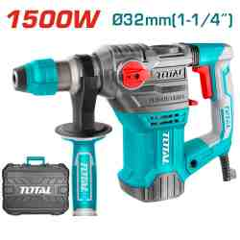 | #REF! | Rotary hammer | Voltage:220-240V~50/60Hz Input power:1500W No-load speed:850rpm Impact rate:4400bpm Impact energy:5.5J Max.drilling capacity: Concrete:32mm Steel:13mm Wood:40mm SDS plus chuck system Anti-vibration system With 3 drills and 2 chisels With 1set extra carbon brushes Packed by BMC | PCS | 50 | #REF! | #REF! | 6925582189803
TCS1120508 | 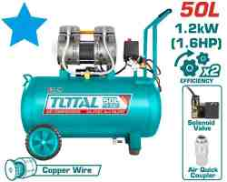 | #REF! | Air compressor | Voltage:220-240V~50Hz Input power:1200W （1.6HP） Tank:50L(13.2Gal) Oil free system Noise: 75db Copper wire motor No-load speed:2850rpm Operation pressure:max.8bar Packed by carton box | PCS | 20 | #REF! | #REF! | 6941639830597
TWP13706 | 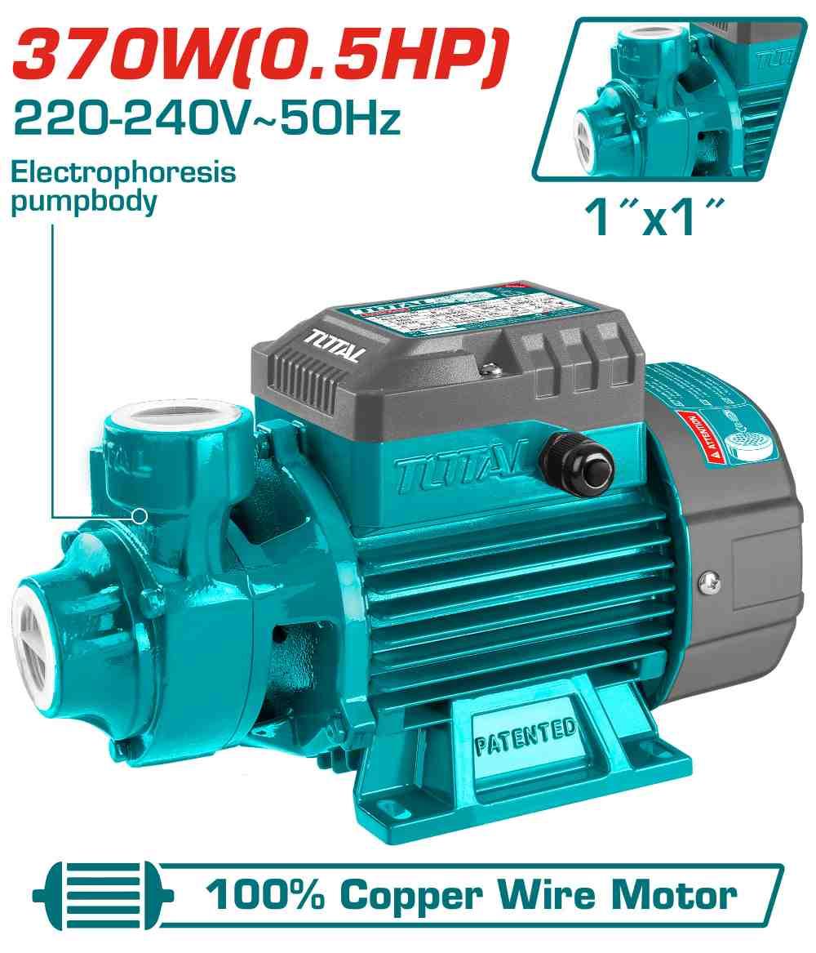 | #REF! | Water pump | Peripheral Pump Voltage:220-240V~50Hz Rated power:370W(0.5HP) Max.head:35m Max.flow:35L/min Max.suction:8m Pipe diameter:1"x1" Copper wire motor Stainless steel welding shaft : 304+45# Electrophoresis pump body Brass impeller 0.3m length cable Packed by color box | PCS | 300 | #REF! | #N/A | 6925582184440
TWP17506 | 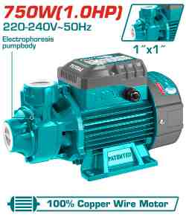 | #REF! | Water pump | Peripheral Pump Voltage:220-240V~50Hz Rated power:750W(1.0HP) Max.head:52m Max.flow:50L/min Max.suction:8m Pipe diameter:1"x1" Copper wire motor Stainless steel welding shaft : 304+45# Electrophoresis pump body Brass impeller 0.3m length cable Packed by carton box | PCS | 420 | #REF! | #REF! | 6925582189476
TWP93706 | 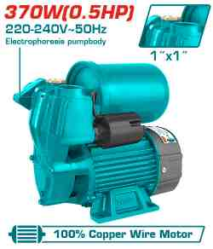 | #REF! | Water pump | Automatic self-priming peripheral pump Voltage:220-240V~50Hz Rated power:370W(0.5HP) Max.head:32m Max.flow:35L/min Max.suction:8M Pipe diameter:1"x1" Copper wire motor Stainless steel welding shaft : 304+45# Electrophoresis pump body Brass impeller 0.3m length cable With 1pcs pressure switch With 1pcs 2L pressure tank Packed by color box | PCS | 233 | #REF! | #REF! | 6941639824923
TWP37506 | 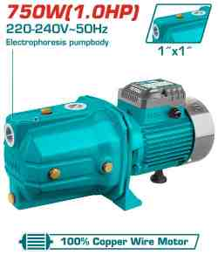 | #REF! | Water pump | Self-priming Jet Pump Voltage:220-240V~50Hz Rated power:750W(1.0HP) Max.head:51m Max. flow:55L/min Max.suction:9m Pipe diameter:1"x1" Copper wire motor Stainless steel welding shaft : 304+45# Electrophoresis pump body Stainless steel impeller 0.3m length cable Packed by carton box | PCS | 275 | #REF! | #REF! | 6925582188721
TGT11226 | 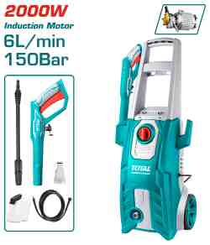 | #REF! | High pressure washer | Voltage: 220-240V~50Hz Copper wire induction motor Input power:2000W Max Pressure:150Bar (2200PSI) Flow rate:6.0L/min Auto stop system 1pcs soap bottle 1 set water spray gun(TGTSG026) 5m high pressure hose(TGTHPH526) Packed by color box | PCS | 20 | #REF! | #REF! | 6925582186765
TAC2211155 | 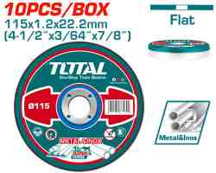 | #REF! | Abrasive metal cutting disc set | 10Pcs/set 115mm(4-1/2")X1.2mm (3/64")X22.2mm(7/8") Flat centre Cutting disc for metal and inox Packed by metal box | SET | 2400 | #REF! | #REF! | 6925582181319
TAC2212301HA | 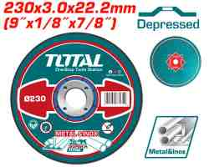 | #REF! | Abrasive metal cutting disc | 230mm(9")X3.0mm(1/8")X22.2mm(7/8") 25pcs/color box Depressed centre Cutting disc for metal and inox Packed by label | PCS | 3000 | #REF! | #REF! | 6925582194562
TAC231723 | 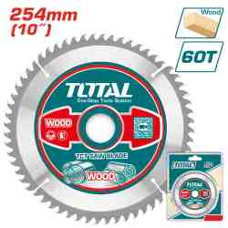 | #REF! | TCT saw blade | 254mm(10") 60T,arbor:30mm 16mm and 25.4mm ring Wood cutting Packed by double blister | PCS | 25 | #REF! | #REF! | 6925582176087
TAC32041 | 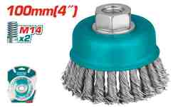 | #REF! | Wire cup brush | Dia: 100mm, 4" Thread: M14x2 Wire dia: 0.5mm Wire length: 30mm RPM: 8500r/min Apply on: roughening, descaling/paint stripping, weld seams Suitable for: Steel, Cast steel Packed by double blister | PCS | 540 | #REF! | #REF! | 6925582173161
TAC331160 | 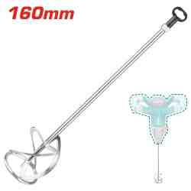 | #REF! | Mix paddle | Diameter:160mm Length:600mm Tool fitting:M14x2 Mixing from top down Packed by paper card | PCS | 120 | #REF! | #REF! | 6925582178012
THT170806 | 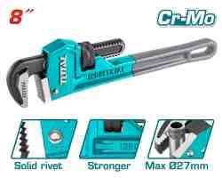 | #REF! | Pipe wrench | Size:8"(200mm) Max clamping diameter:27mm Mobile jaw material:cr-mo Inactivate treatment Body material:ductile cast iron Black finish and polish Solid rivet Packed by paper card | PCS | 828 | #REF! | #REF! | 6925582182965
THT171206 | 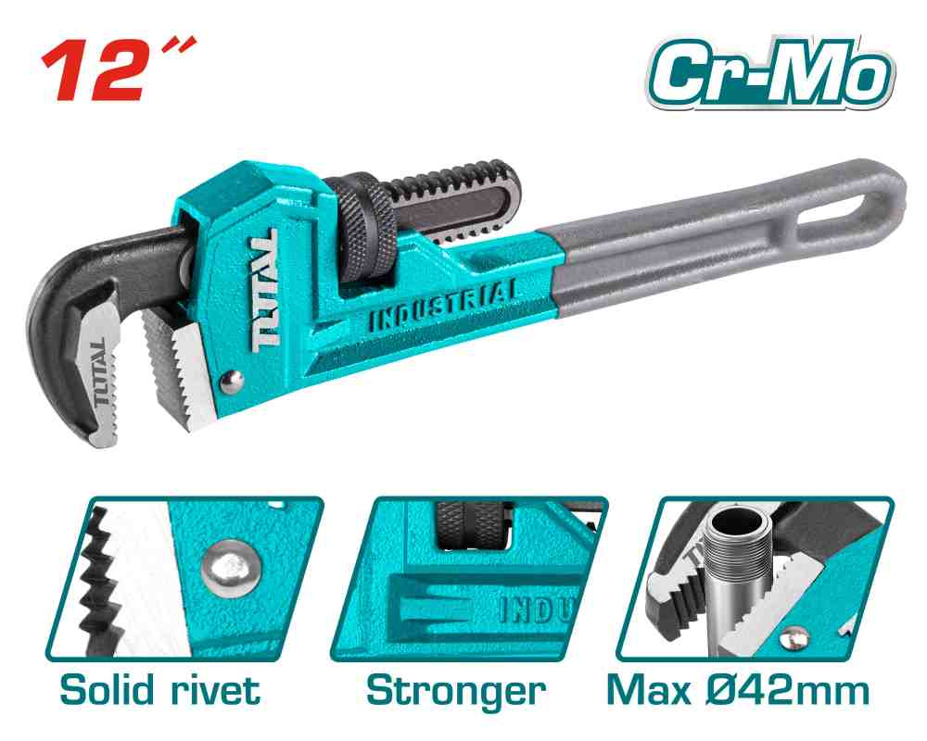 | #REF! | Pipe wrench | Size:12" (300mm) Max clamping diameter:42mm Mobile jaw material:cr-mo Inactivate treatment Body material:ductile cast iron Black finish and polish Solid rivet Packed by paper card | PCS | 1008 | #REF! | #REF! | 6925582181944
THT171366 | 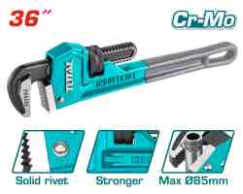 | #REF! | Pipe wrench | Size:36" Max clamping diameter:85mm Mobile jaw material:cr-mo Inactivate treatment Body material:ductile cast iron Black finish and polish Solid rivet Packed by paper card | PCS | 120 | #REF! | #REF! | 6925582183238
THT53321 | 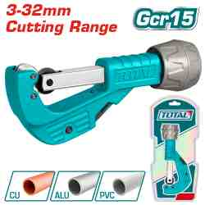 | #REF! | Pipe cutter | Copper and aluminum pipe cutter Cutting diameter:3-32mm With high quality blade and aluminum knob Packed by sliding card | PCS | 192 | #N/A | #N/A | 6925582174427
TPBX0172 | 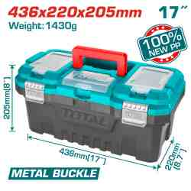 | #N/A | 17" Plastic tool box | 17" Plastic Tool Box Size : 436mm(17")*220mm(8.7")*205mm(8") Material :PP weight :1430g Max Load :15KG Metal buckle High-strength Handle Upper cover with three storage areas Upper cover with scale function Contains 1Pcs plastic tray Packed by lable | PCS | 80 | #N/A | #N/A | 6941639848707
THRRTB2712 | 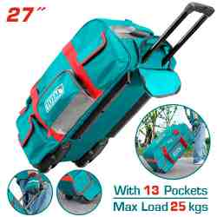 | Total THRRTB2712 شنطة عدة 27 انش مع عجال | Wheeled tool bag | Size: 27" Material: 1680D polyester Max load: 25kg With Wheeled Telescopic pull handle Size(L*W*H):68.5*29.5*32cm With 6 Pcs external pockets and multiple internal Rigid frame for easy opening and access Packed by paper card | PCS | 40 | 29.00 | 39.000 | 6932584803064
THT20409 | 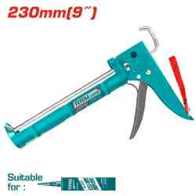 | #N/A | Caulking gun | 9" caulking gun Thickness:1.0mm Length: 230mm Diameter:55mm Iron shank with teeth With cutting function Packed by label | PCS | 960 | #REF! | #REF! | 6925582174854
THT21509 | 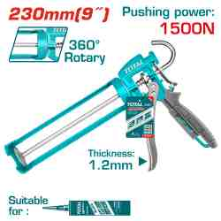 | #REF! | Caulking gun | 9" caulking gun Strong aluminum handle With rotary function Thickness:1.8mm Length: 230mm Diameter:55mm Smooth rod:8.0mm Packed by paper card | PCS | 480 | #REF! | #REF! | 6925582170801
THT84031 | 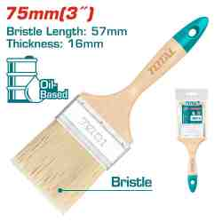 | #REF! | Paint brush | Size:3"(75mm) Length: 57mm Thickness:16mm Wooden handle Packed by plastic bag | PCS | 2160 | #REF! | #REF! | 6925582168822
TESA31001 | 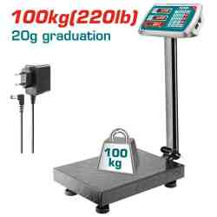 | #REF! | Electronic scale | Max. weight:100kg With 20g graduation Display:LED screen Table size:300*400mm Charging voltage:220-240V 50/60Hz Packed by carton box | PCS | 60 | #REF! | #REF! | 6925582155112
TESA33001 | 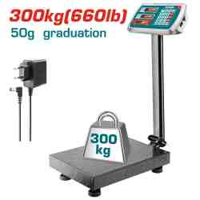 | #REF! | Electronic scale | Max. weight:300kg With 50g graduation Display:LED screen Table size:400*500mm Charging voltage:220-240V 50/60Hz Packed by carton box | PCS | 60 | 70.00 | #REF! | 6925582155129
TSP12102 | 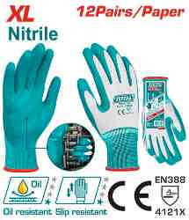 | #REF! | Nitrile gloves | HAND PROTECTION:Use for Oil assembly operation Size:XL Liner Material:Polyester Coating material/Finish: Nitrile Gauge:13 Protection level:4121X Nitrile coated palm, smooth and rough-texture palm finish. 12pairs/paper Packed by poly bag | PAIR | 2160 | #REF! | #REF! | 6941639888482
TSP13103 | 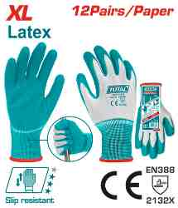 | #REF! | Latex gloves | HAND PROTECTION:Use for Wood processing, horticulture Size:XL Liner Material:Polyester Coating material/Finish: Latex Gauge:13 Protection level:2132X Cotton/polyester seamless knitted shell. Textured palm dip for extra grip and durability. 12pairs/paper Packed by poly bag | PAIR | 3000 | #REF! | #REF! | 6941639888529
THSPP30502 | 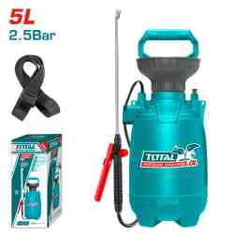 | #REF! | Pressure sprayer | 5L Safety pressure release valve Handy carry strap Strong Aluminum pump lever Pressure:2.5BAR 1.2m length flexible hose Stainless lance and plastic nozzle ON/OFF trigger with trigger lock Adjustable sprayer pattern mist to stream Packed by color box | PCS | 60 | #REF! | #REF! | 6941639880936
THHCS05122 | 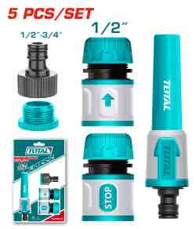 | #REF! | 5 Piece twist nozzle set | 5 pcs Twist Nozzle set With 1pcs 1/2" Plastic Hose Quick Connector with Water Stop With 1pcs 1/2" Plastic Hose Quick Connector With 1pcs 3/4" TAP ADAPTOR AND 1/2"-3/4" REDUCER With 1pcs 5" Snap-in Twist Nozzle Packed by paper hanger | PCS | 960 | #REF! | #REF! | 6925582195170
THHR40122 | 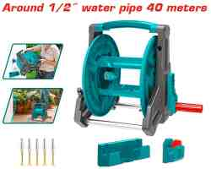 | #REF! | Hose reel | The maximum can be wrapped around 1/2" water pipe 40 meters Foldable handle for easy storage Aluminum tube bracket, can be hung on the wall Supplied fully assembled Lengthened and enlarged handle,Anti-pinch design Thick brackets, large-capacity inner, using water pipes, making messy water pipes neat and tidy, easy to use and store Meterial：PP、Aluminum Packed by color box | PCS | 34 | #REF! | #REF! | 6941639889908
THHR20124 | 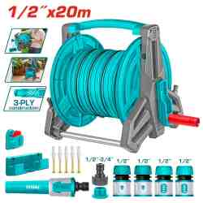 | #REF! | Hose reel set | Hose reel set Equipped with 1pcs 20Mx1/2" 3-ply construction PVC hose 2pcs 1/2" plastic hose quick connector with water stop 2pcs 1/2" plastic hose quick connector 1pcs 3/4" tap adaptor and 1/2"-3/4" reducer 1pcs 5" snap-in twist nozzle Foldable handle for easy storage Aluminum tube bracket, can be hung on the wall Lengthened and enlarged handle,Anti-pinch design Thick brackets, large-capacity inner, using water pipes, making messy water pipes neat and tidy, easy to use and store Meterial: PP/Aluminum Packed by color box | SET | 30 | #REF! | #REF! | 6932584809608
THLAD09061 | 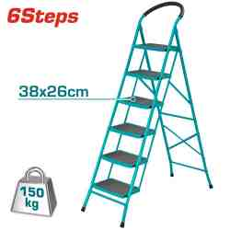 | #REF! | Steel ladder | Material:steel,6Steps Step size:380*260mm Open Size:1225*510*1705mm Folding Size:505*140*1935mm Thickness of tube:0.9mm Max.Load:150kg Packed by carton box | PCS | 20 | #N/A | #N/A | 6925582186284

